Feuil1
 | Total | 42
 | Terminer | 0 | 0%
NAME | IMAGE | Qte / machine |  | Qte Machine | TODO | DOING | DONE
SCROLL_wheel | 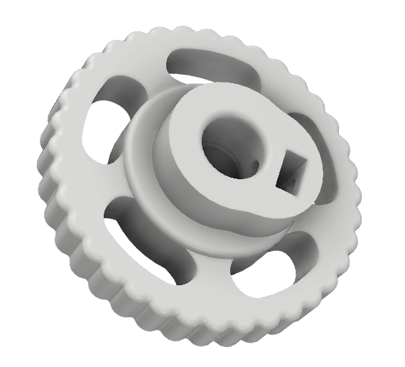 | 2 |  | 1 | 2
KP08_support | 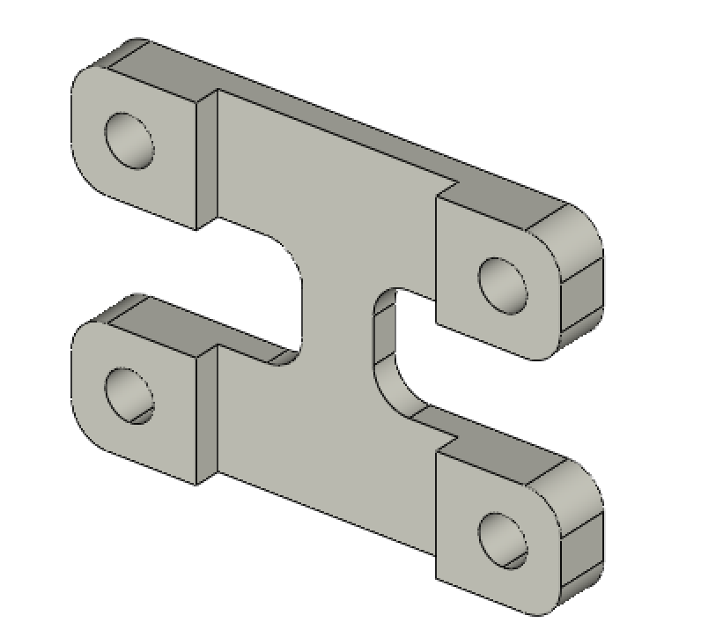 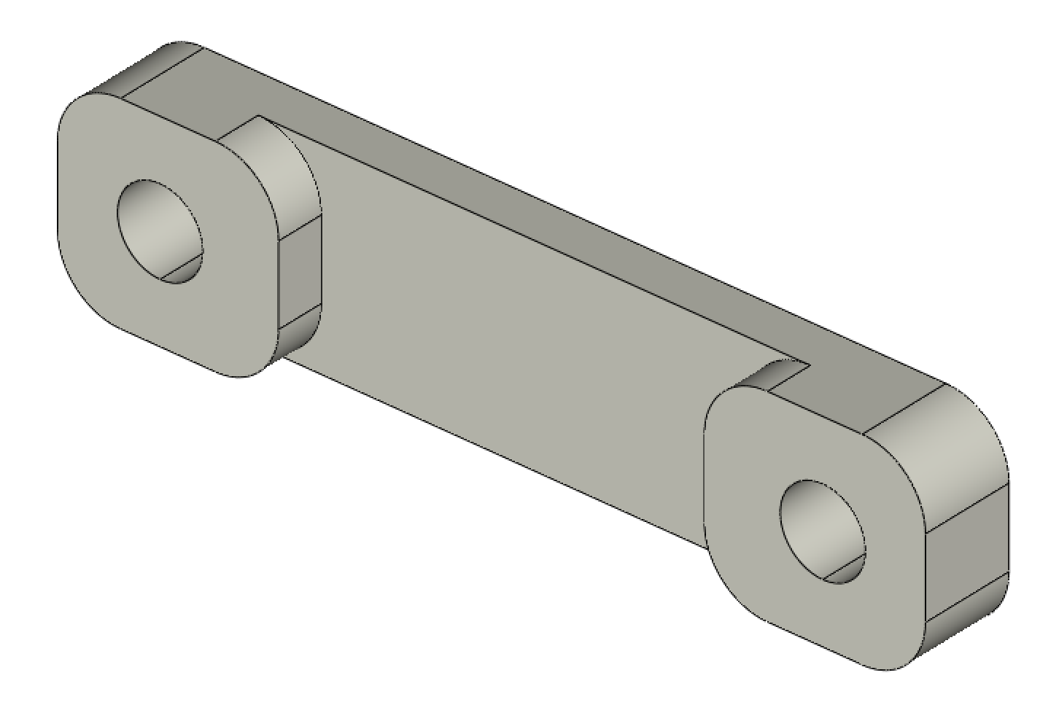 | 2 |  | 1 | 2
XMOTOR_support2 | 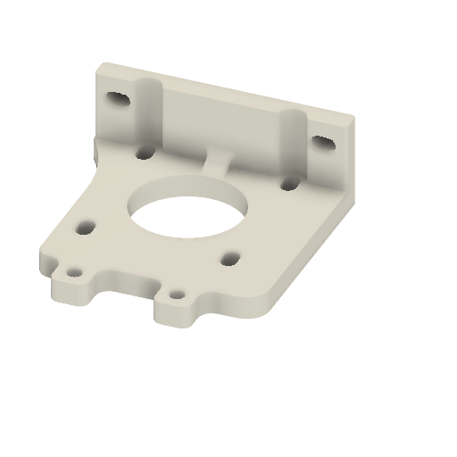 | 1 |  | 1 | 1
XMOTOR_support2_1 | 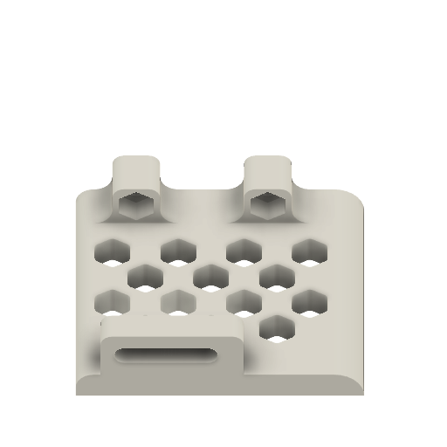 | 1 |  | 1 | 1
YMOTOR_support2_200_2 | 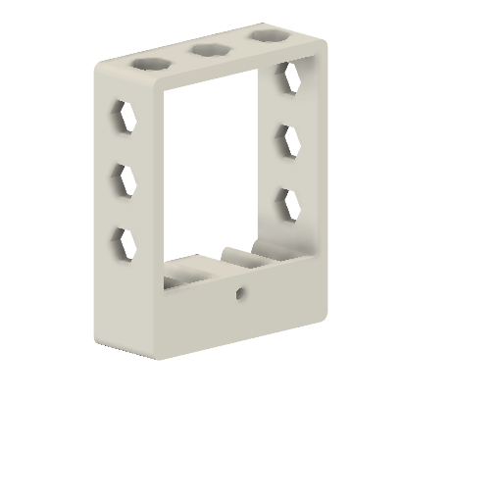 | 1 |  | 1 | 1
YMOTOR_support2_200_1 | 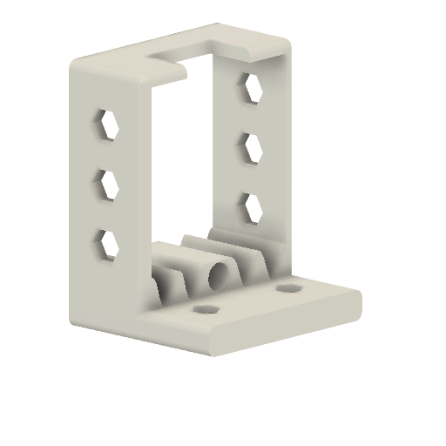 | 1 |  | 1 | 1
YMOTOR_support2_200 | 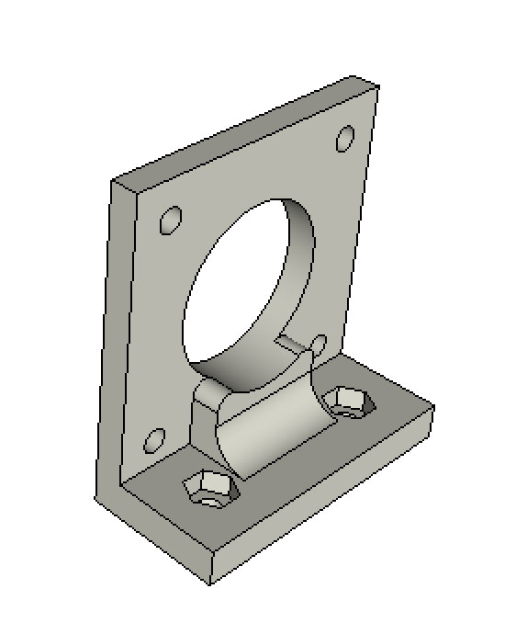 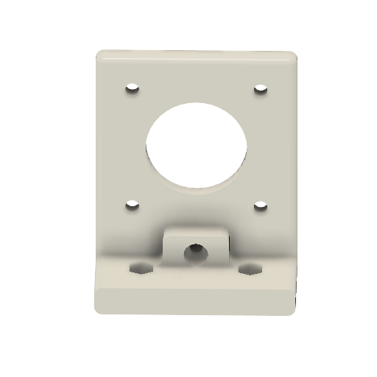 | 1 |  | 1 | 1
ROLL_joint | 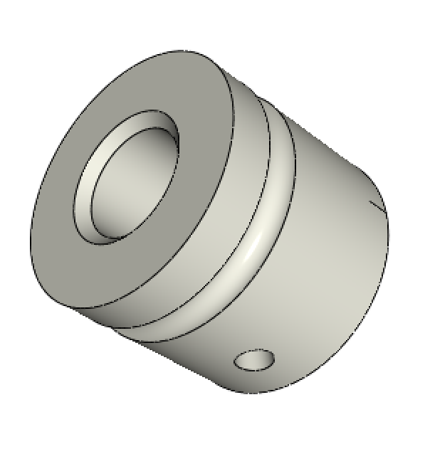 | 3 |  | 1 | 3
BOTTOM_trolley | 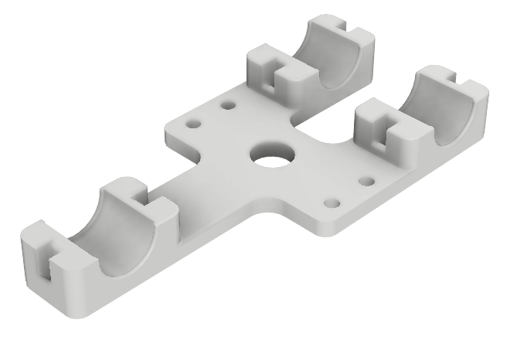 | 1 |  | 1 | 1 | 0
ELECTRO_MAGNET_housing | 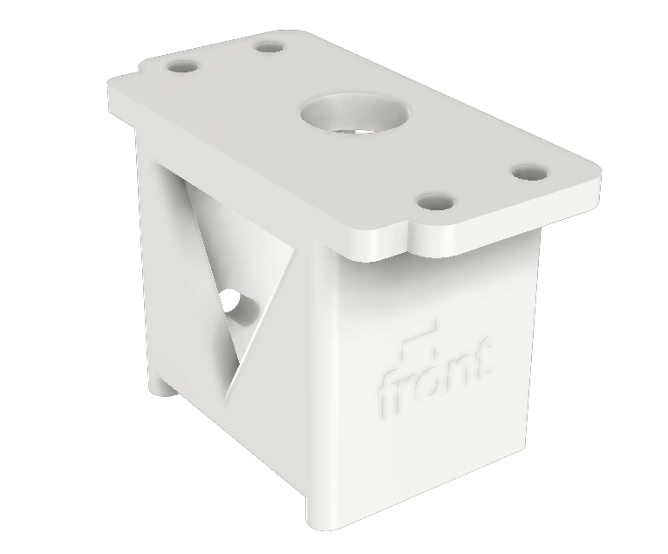 | 1 |  | 1 | 1
ELECTRO_MAGNET_guide | 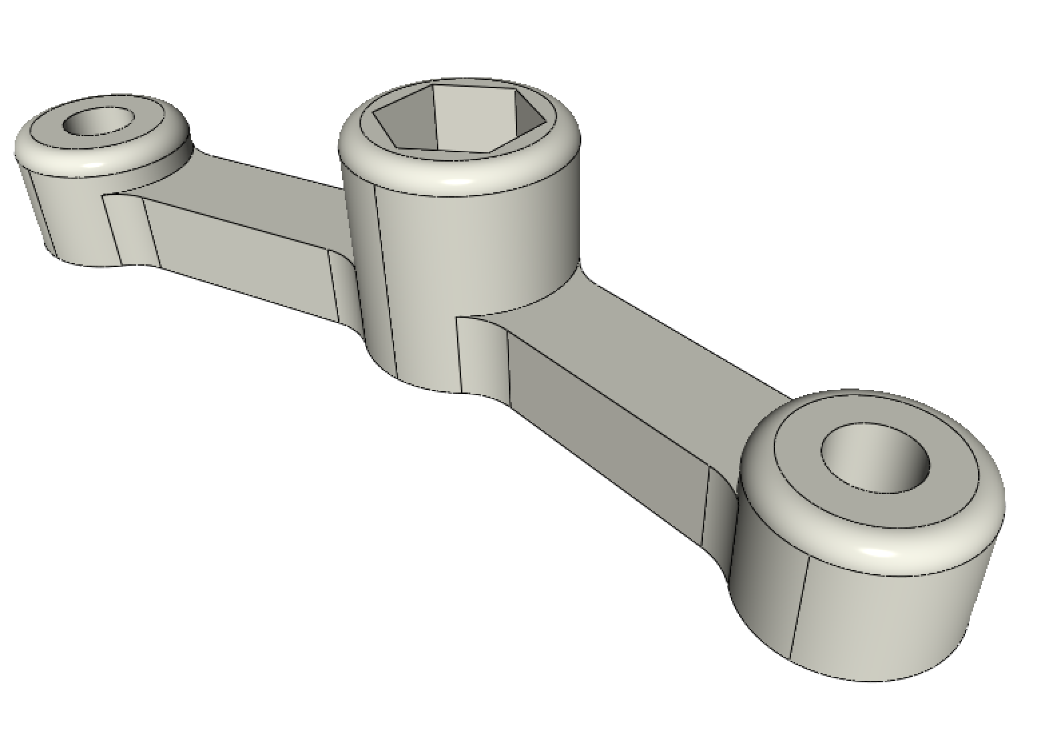 | 1 |  | 1 | 1
TOP_trolley | 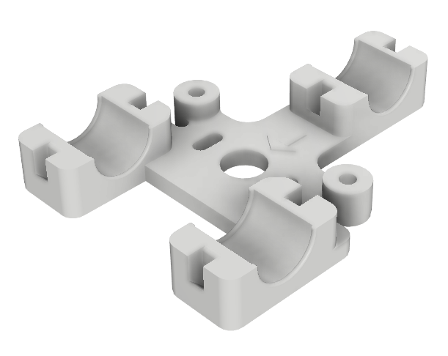 | 1 |  | 1 | 1
FEMALE_shape | 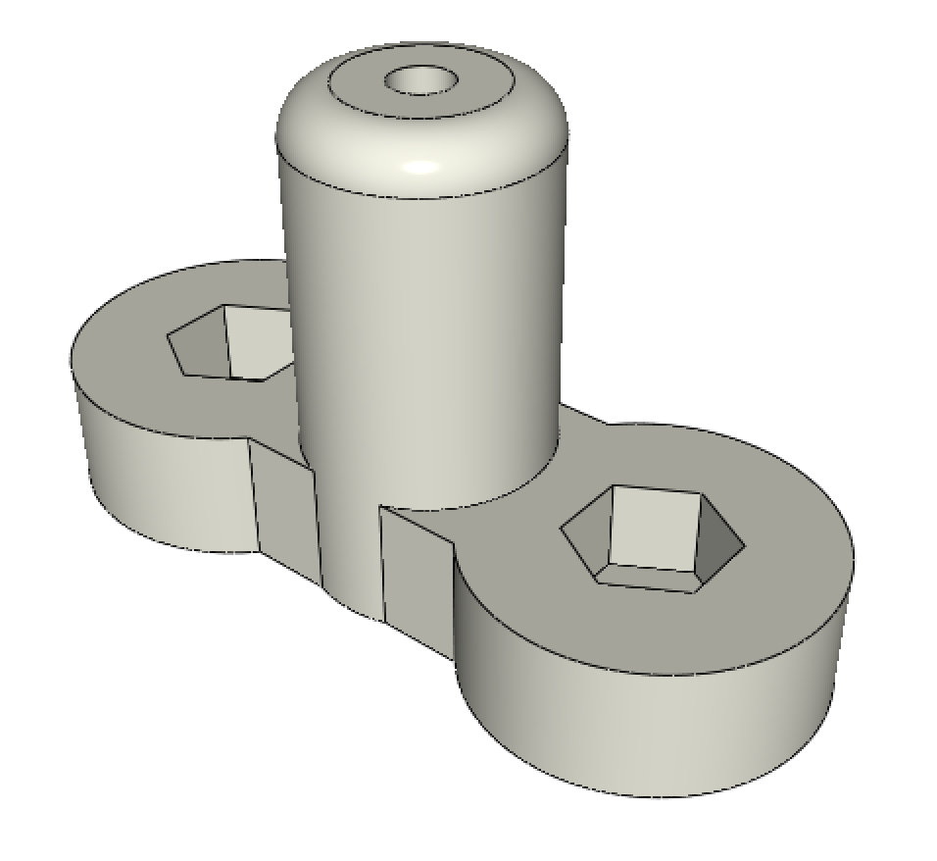 | 1 |  | 1 | 1
TOP_AXIS_left | 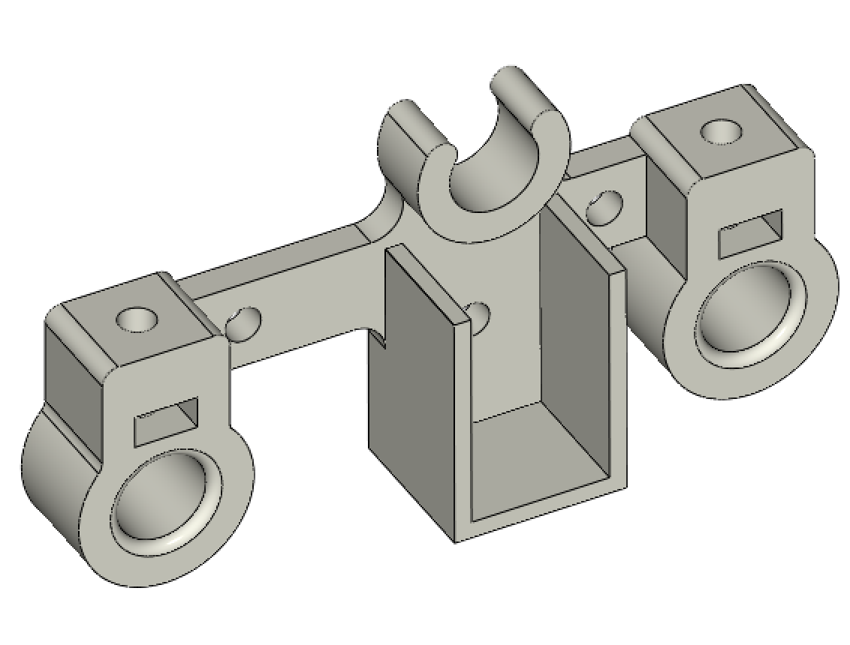 | 1 |  | 1 | 1
TOP_AXIS_right | 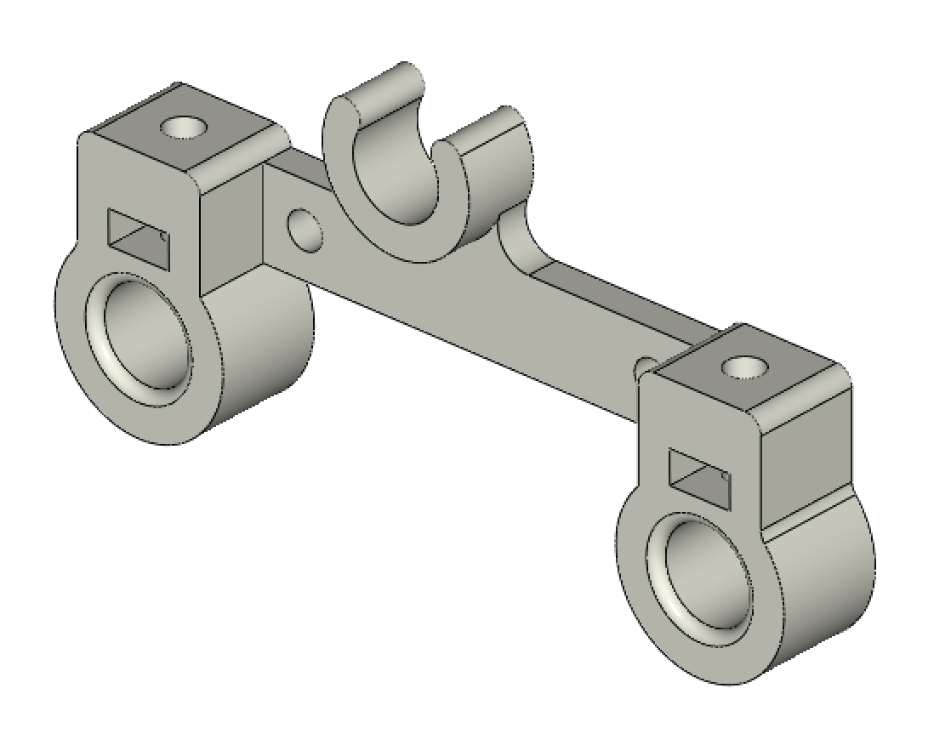 | 1 |  | 1 | 1
LID_LOCK | 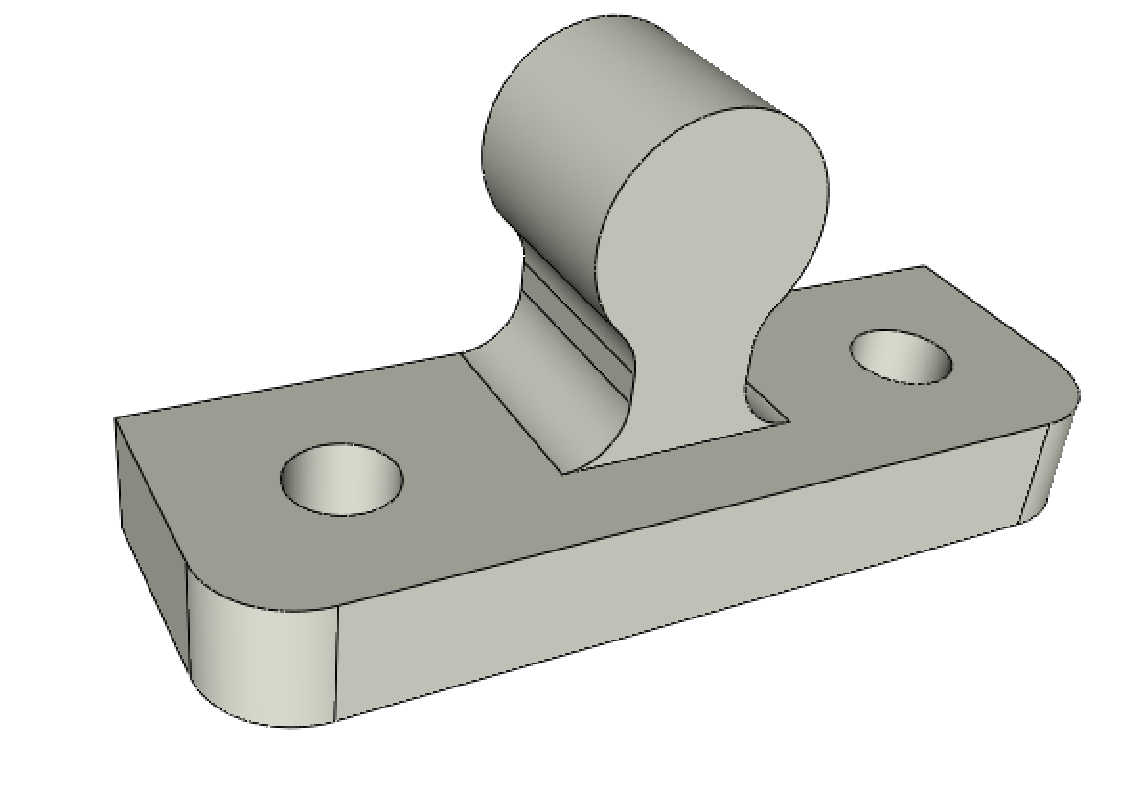 | 2 |  | 1 | 2
BOTTOM_AXIS_left | 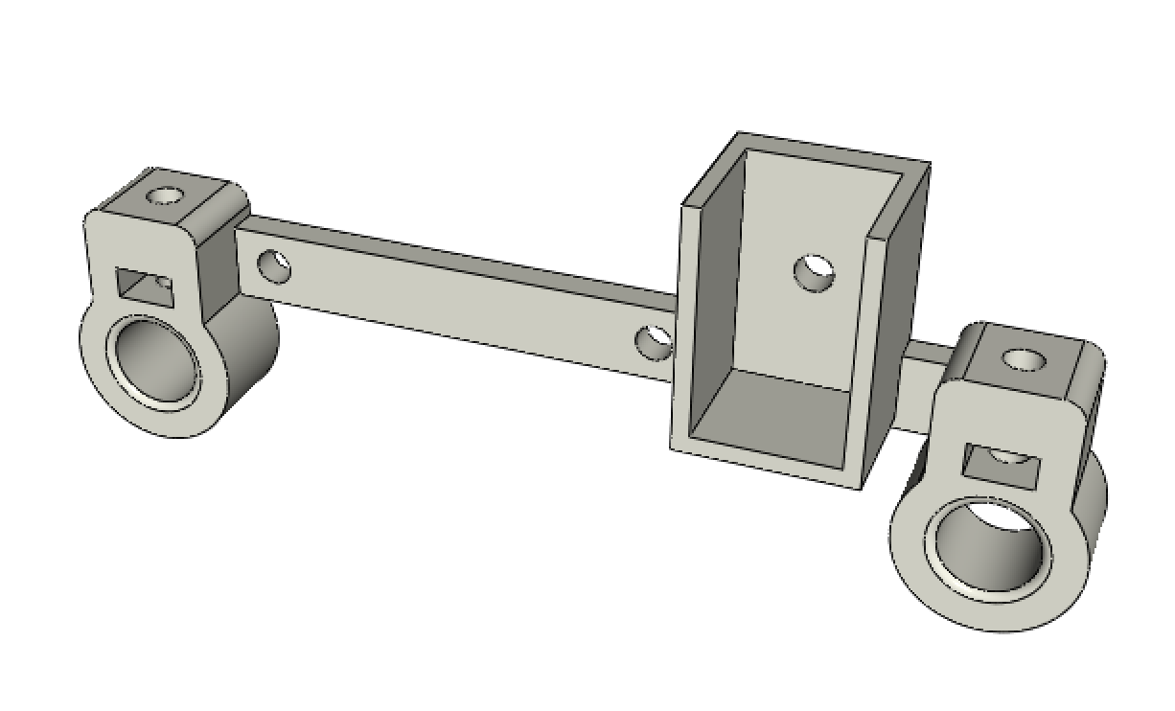 | 1 |  | 1 | 1
BOTTOM_AXIS_right | 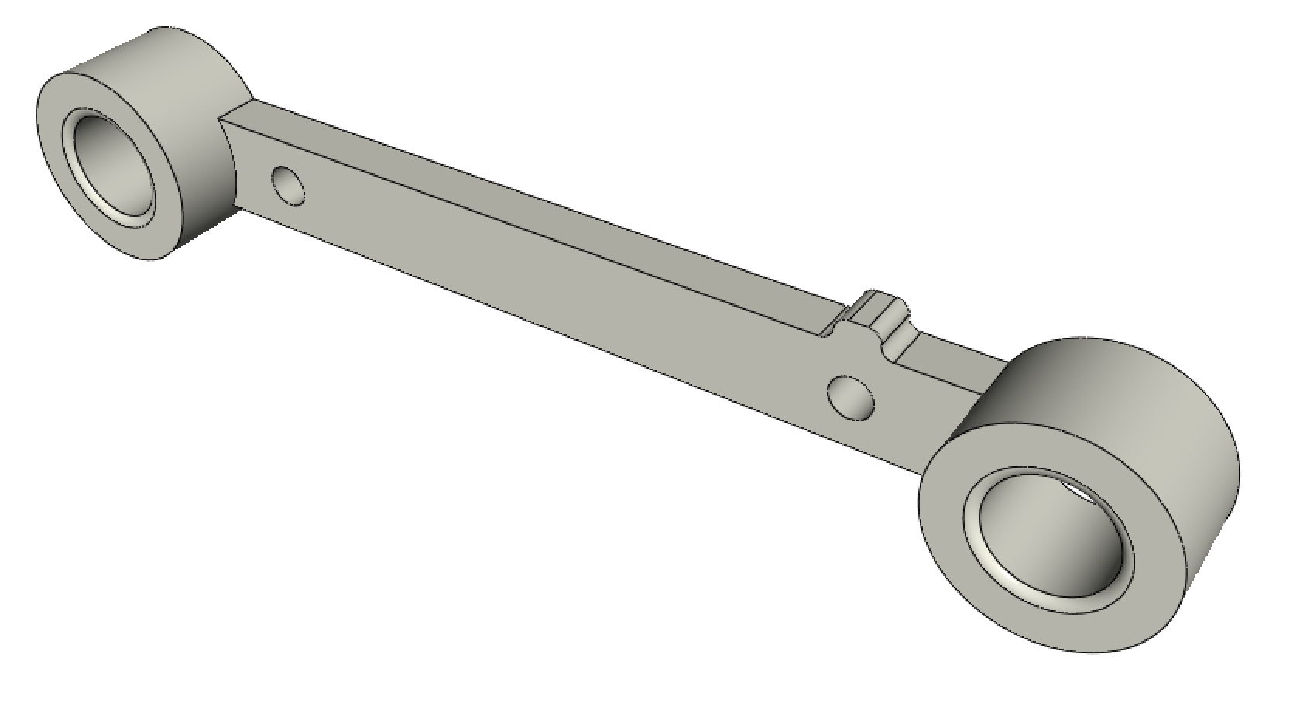 | 1 |  | 1 | 1
DRIVEN_PULLEY_housing | 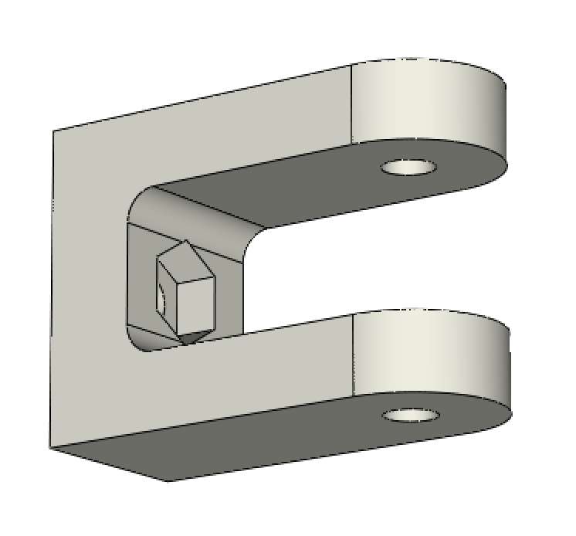 | 2 |  | 1 | 2
PAPER_GUIDE_left | 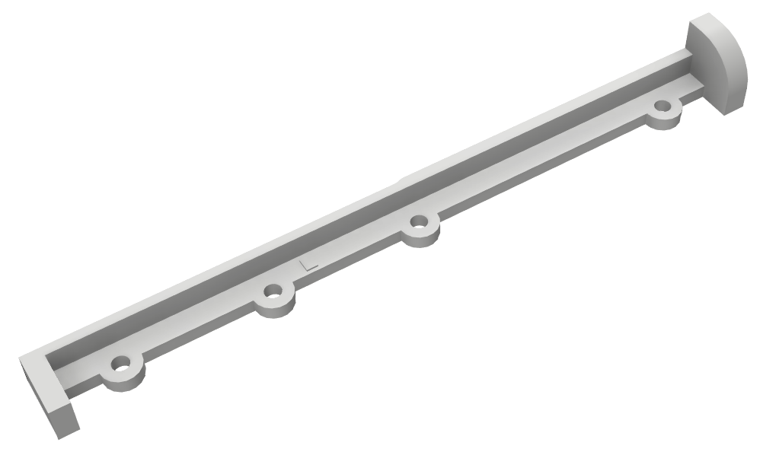 | 1 |  | 1 | 1
PAPER_GUIDE_right | 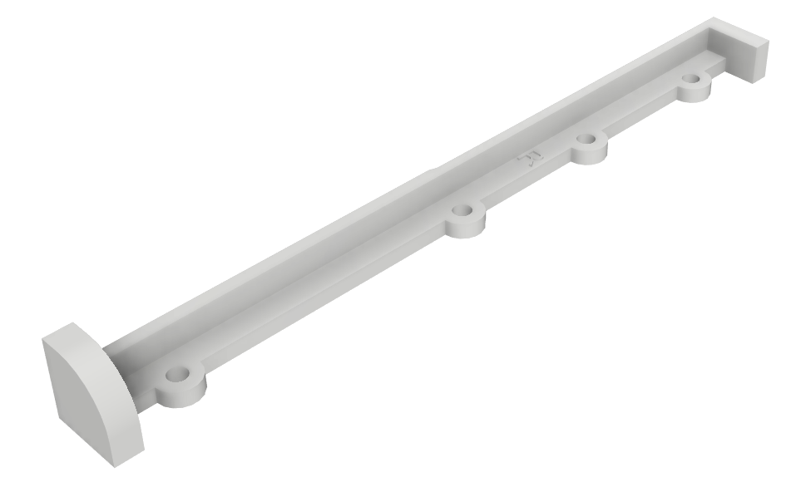 | 1 |  | 1 | 1
ENDSTOP_Y_support | 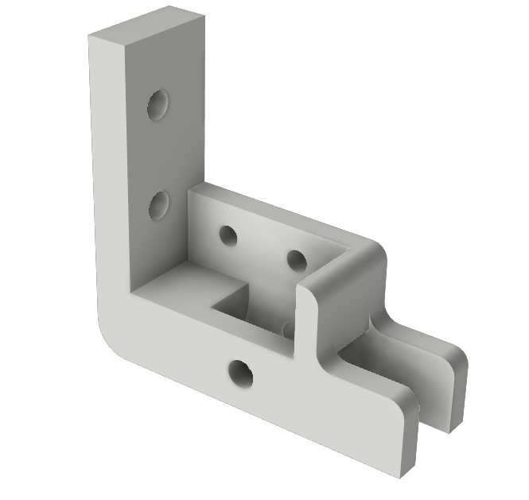 | 1 |  | 1 | 1
ENDSTOP_Y_lever | 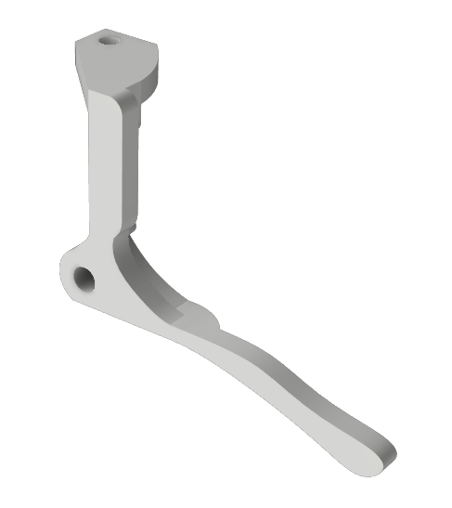 | 1 |  | 1 | 1
ENDSTOP_X_support | 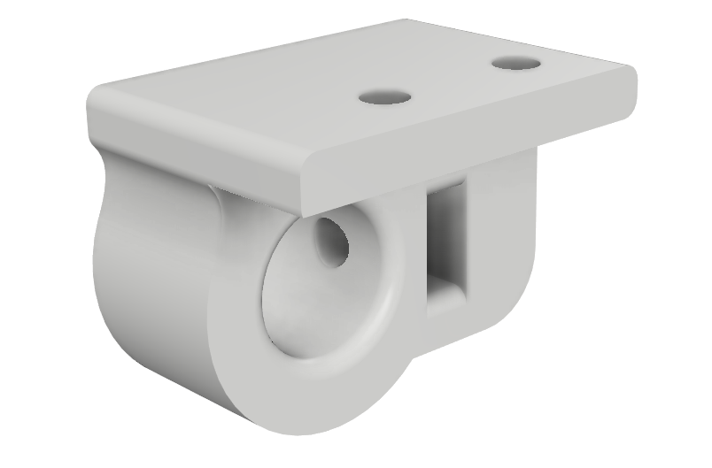 | 1 |  | 1 | 1
CLIPBOARD_2 | 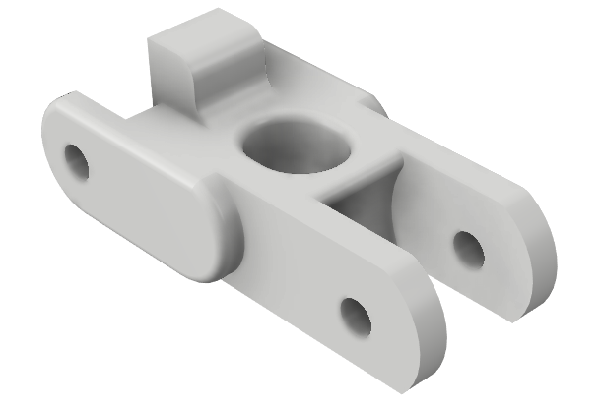 | 3 |  | 1 | 3
CLIPBOARD_2_SUPPORT | 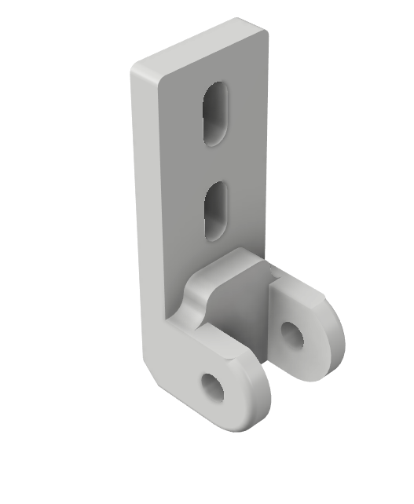 | 3 |  | 1 | 3
CLIPBOARD_2_WHEEL |  | 3 |  | 1 | 3
DOORLOCKER | 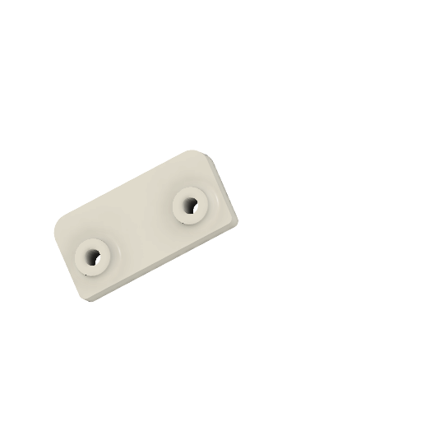 | 2 |  | 1 | 2
POWER_plate | 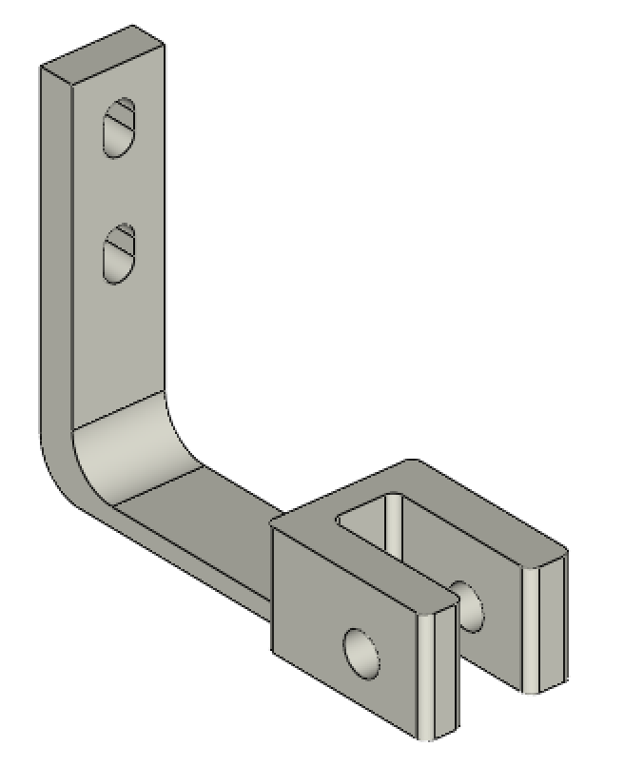 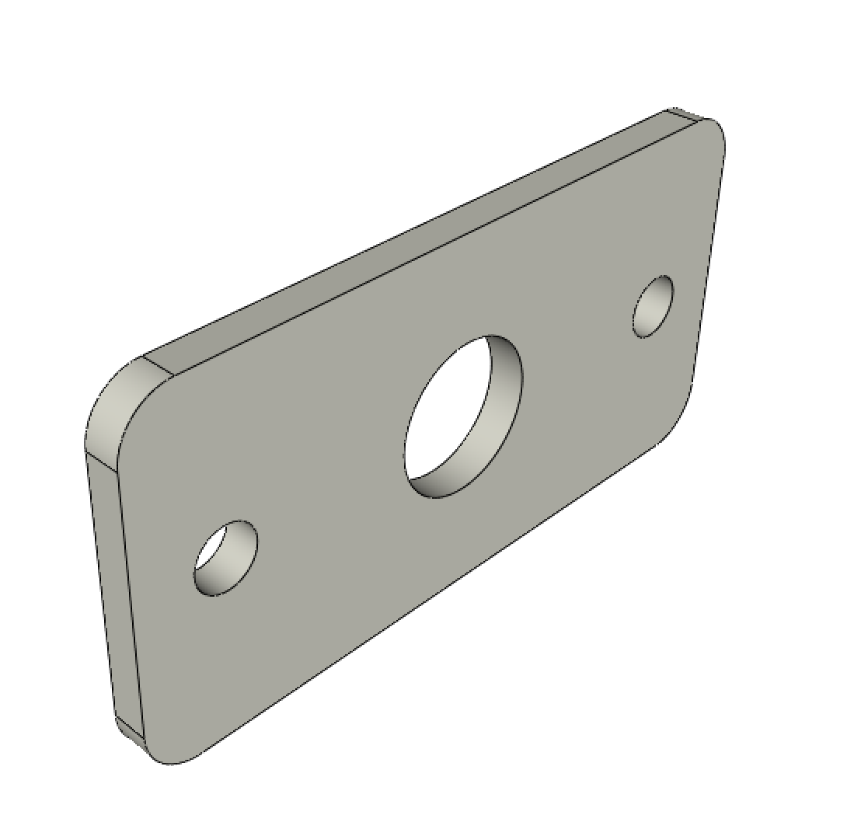 | 1 |  | 1 | 1

